How to use it
 | Altivar Regenerative Unit Sizing Tool

The purpose of this tool is to give you the :
Number of Altivar Regenerative Unit to order regarding your application.
Yearly Saved Cost and Yearly Reduced C0₂.
Return On Investment.

Select the tab corresponding to your application :
and enter the data in the grey cells.

 |  | links to order Altivar Regenerative Unit: | ATVRU75N4 | or | ATVRD15N4

 |  | Link to latest "Altivar Regenerative Unit user manual": | NVE88423
06/2018 |  | Link to latest "Altivar Regenerative Unit sizing tool": | NVE94856
NVE94856-06 |  |  |  | www.schneider-electric.com/drives/

Simple Application
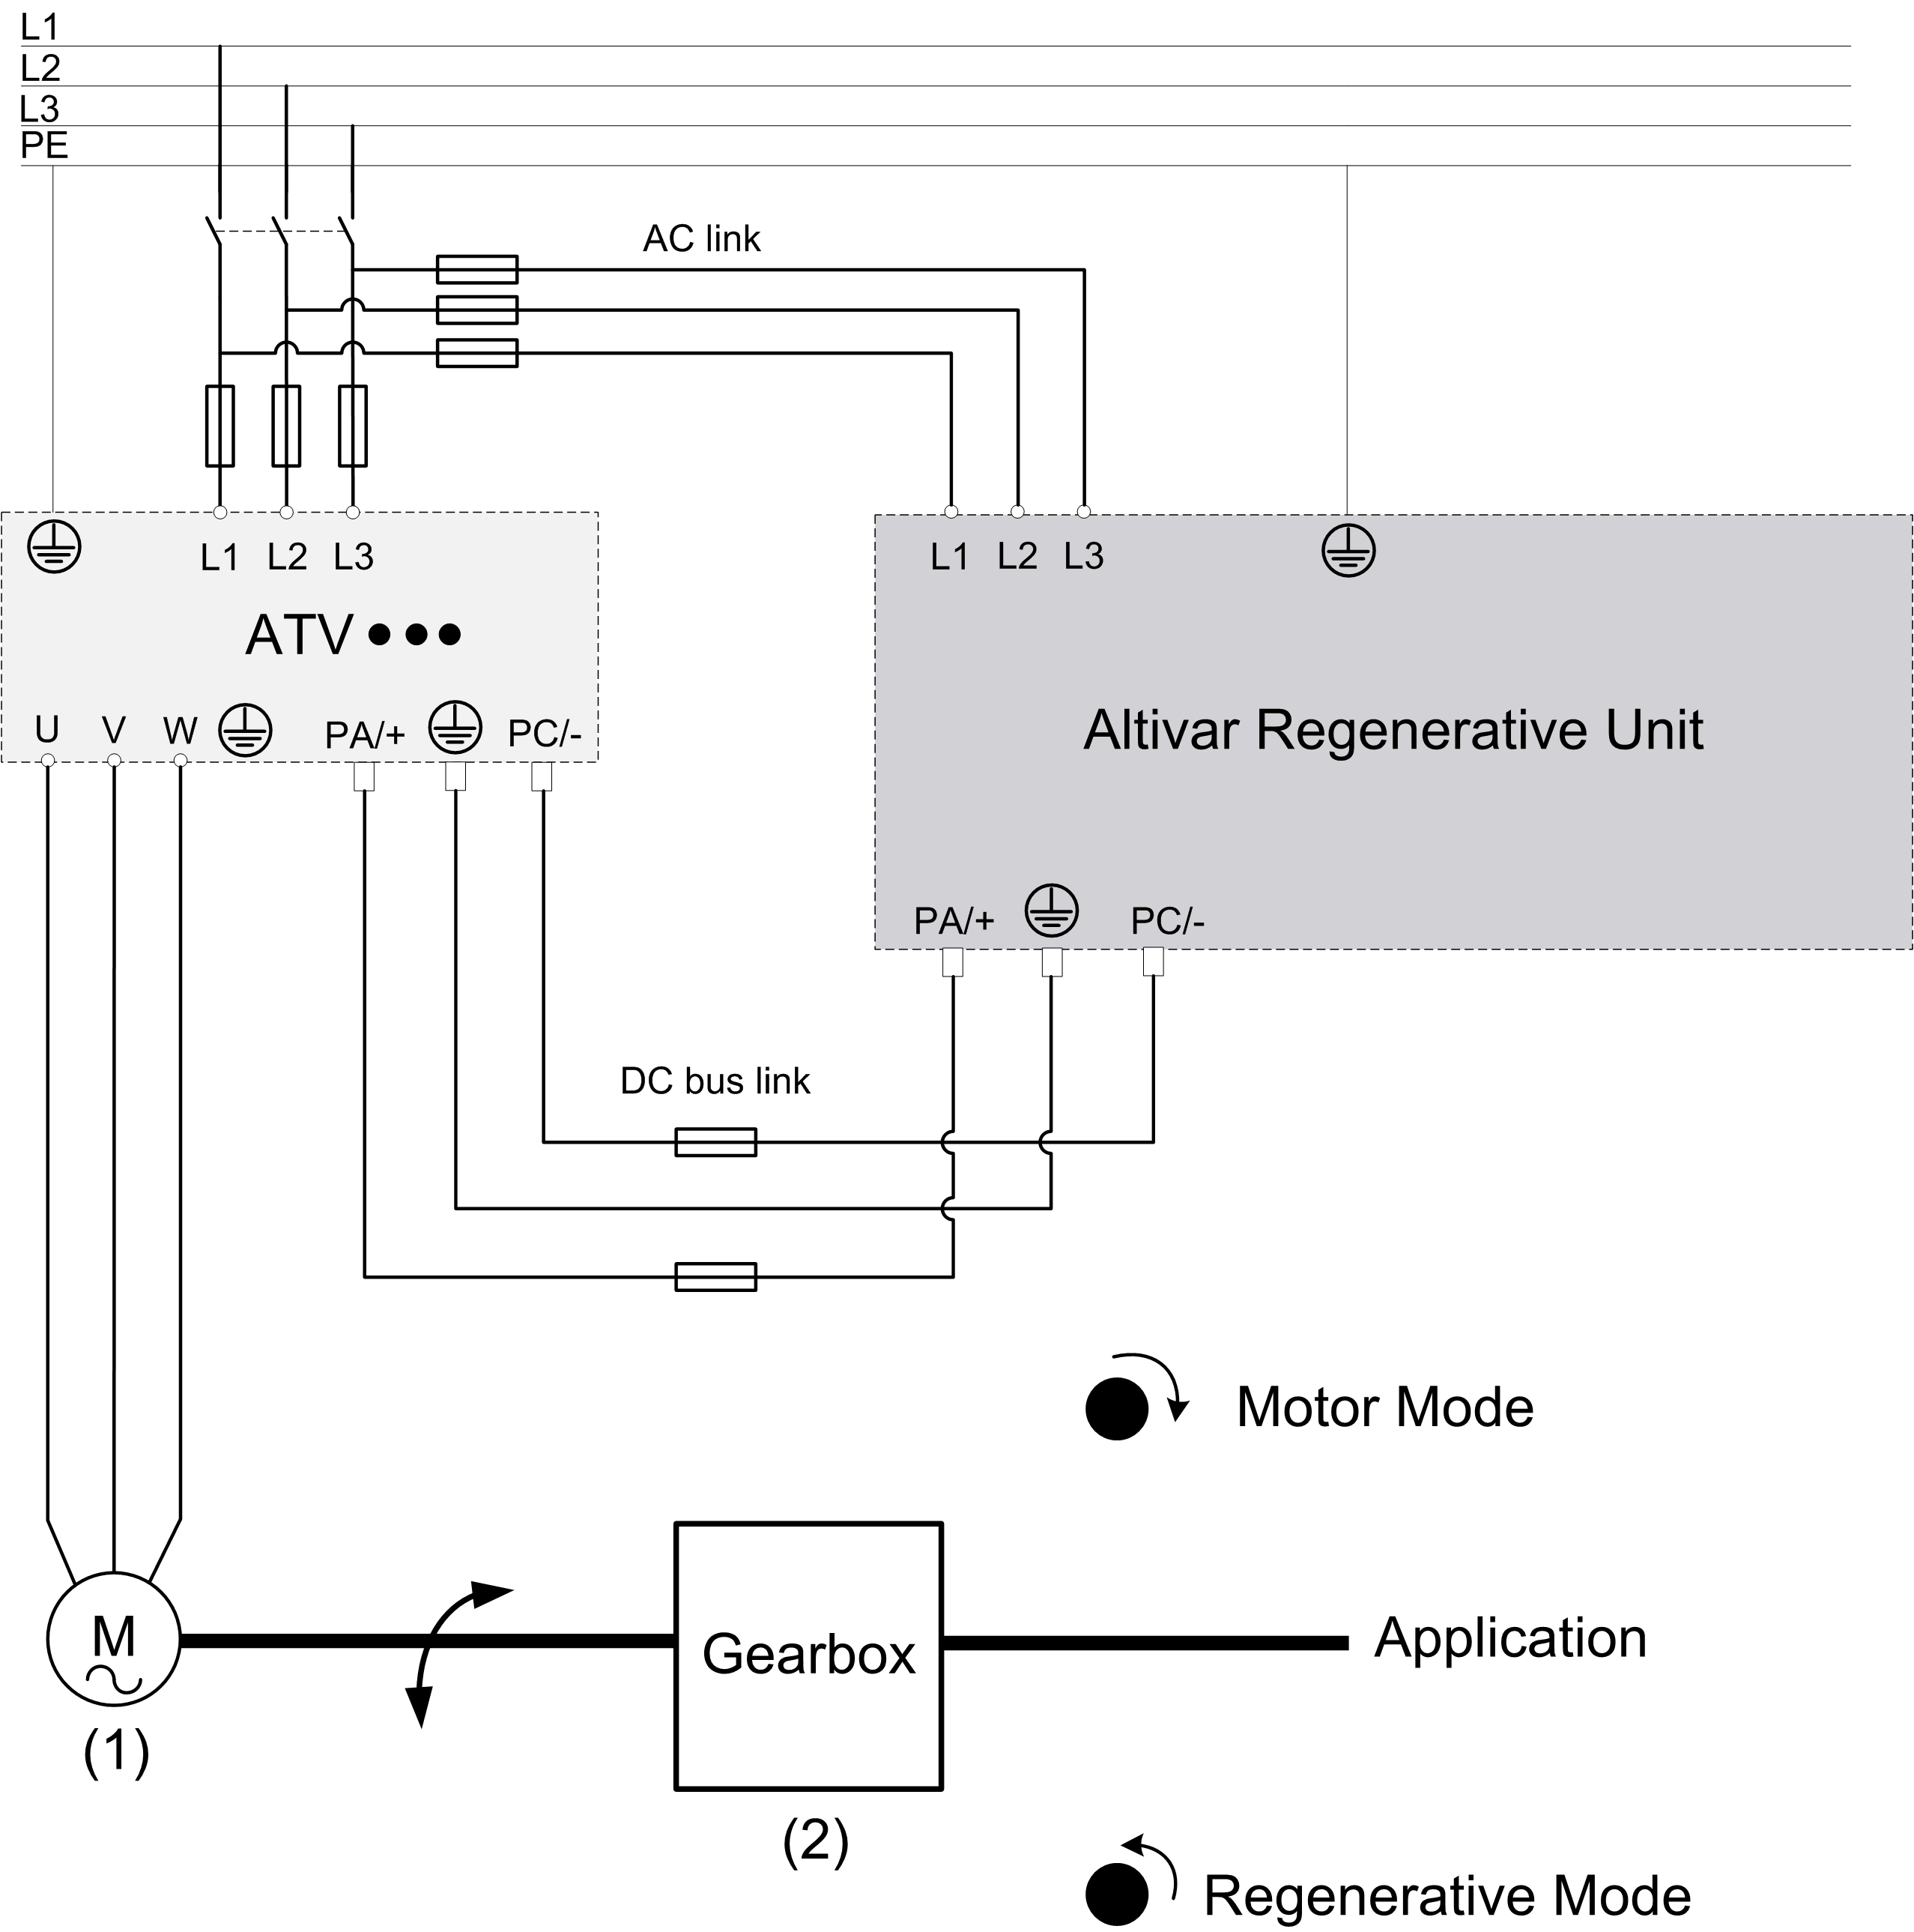
Altivar Regenerative Unit Sizing Tool: Simple Application

Main Data
1
Results
2

 | Regenerative Power (kW) | -

Motor Power (kW) | Number of Altivar Regenerative Unit(s) to order:

Motor Efficiency | Number of ATVRU75N4 |  | 0

Gear Box Efficiency
 | Number of ATVRD15N4 |  | 0

06/2018 |  |  |  | (1): Motor rated power Motor efficiency
NVE94856-06 |  |  |  | (2): Gear box efficiency (In case of no gearbox, set the efficiency to 1)

Centrifugal Application
Altivar Regenerative Unit Sizing Tool: Centrifugal Application

Main Data
1
Maximum Consumption
Energy Saving
2
Return On Investment
4

Centrifuge Characteristics |  | Maximum Braking Power (kW) | 38.89 | Energy Cost (Local Currency/kWh) |  | Altivar Price (Local Currency)
Motor Speed (rpm) | 1485 |  |  | Energy CO₂ content (Natural Gas) (g/kWh) |  | Altivar Regenerative Unit
Rated Speed of Centrifuge (rpm) | 1800 | Energy (kWh) |  |  |  | Total Price (Local Currency)
Acceleration / Deceleration (s) | 35 | Cycle | 38.89 | Yearly Saved Cost (Local Currency) | 0
5
Inertia of the load (kgm²) | 40 | Hour | 38.89 |  |  | Return On Investment (Year) | #DIV/0!
Inertia of Motor and Pulleys (kgm²) | 5.2 | Day | 933.42
Efficiency |  | Year | 340,698.27 | Yearly Reduced CO₂ (t) | 0.00
Motor | 0.88
Consumption
Regenerative Unit(s) to order
3
Cycle
Typical Cycle Time (min) | 60
Typical Cycle number / hour | 1 | Average Braking Power (kW) | 19.45
Operating Hours/day (h) | 24 | Energy (kWh) |  | Regenerative Power (kW) | 36.95
Working days/year (days) | 365 | Cycle | 19.45
 |  | Hour | 19.45 | Number of ATVRU75N4 | 0
 |  | Day | 466.71 | Number of ATVRD15N4 | 3 | 06/2018
 |  | Year | 170,349.14 |  |  | NVE94856-06

Hoisting Application
Altivar Regenerative Unit Sizing Tool: Hoisting Application

Main Data
1c
Main Data
2
Consumption
Regenerative Unit(s) to order
4

Hoist Characteristics |  | Cycle Load | % of use | Average Static Power (kW) | 3.9 | Regenerative Power (kW) | 3.31
Load or | Motor Power | 100% load | 50% | Average Descent Power (kW) | 2.7
 |  | 75% load | 25% | Time to lift or descent (s) | 45.0 | Number of ATVRU75N4 | 1
Weight Load (t) | 6.3 | 50% load | 25% | Energy (kWh) | kWh | Number of ATVRD15N4 | 0
Return On Investment
Weight Hook (t) | 1 | 25% load | 0% | Cycle | 0.03
5
Hoisting Speed (m/min) | 4 |  |  | Hour | 0.34
Maximum Power Consumption
Typical Lifting High (m) | 3 |  |  | Day | 2.69
Efficiency |  |  |  | Year | 940.2 | Altivar Price (Local Currency)
Energy Savings
3
Mechanic (Gearbox,…) | 0.9 | Static Power (kW) | 4.8 |  |  | Altivar Regenerative Unit
Motor | 0.9 | Descent Power (kW) (1) | 3.3 |  |  | Total Price (Local Currency)
Cycle |  | Time to lift or descent (s) | 45 | Energy Cost (Local Currency/kWh) | 0.09
6
Typical Cycle Time (min) | 4 |  |  | Energy CO₂ content (Natural Gas) (g/kWh) | 500 | Return On Investment (Year) | 0.00
Typical Cycle number / hour | 10 | Energy (kWh)
Operating Hours/day (h) | 8 | Cycle | 0.04 | Yearly Saved Cost (Local Currency) | 85
Working days/year (days) | 350 | Hour | 0.6
⁽¹⁾The deceleration time is not taken into account in the calculation
 |  | Day | 5.0 |  |  |  | 06/2018
 |  | Year | 1,735.8 | Yearly Reduced CO₂ (t) | 0.47 |  | NVE94856-06

